Board Assembly Process
Note: Only fill up cell in white color.
Process |  | Brand | Model | Area of Interest | (Customer's comment)
 |  |  |  |  | Typical/ General Process | (only fill this section if socket vs BGA are using different process parameter & material)
 |  |  |  |  |  | Socket | BGA
Paste Print | Paste Print Machine | GKG | K870 | Squeegee Speed (mm/s) | 65mm/sec
 |  |  |  | Squeegee Pressure (g/mm) | 10+/-3kg
 |  |  |  | Stencil Separation Speed (mm/s) | 3~10mm/s
 |  |  |  | Under Screen Cleaning frequency | every 1 PCB
 |  |  |  | Stencil Cleaning Frequency | every 2 hours
 |  |  |  | Cleaning Process | Ultrasonic
 |  |  |  | PCB support type | vacuum&block
 |  |  |  | Do you use the same pallet for paste print, PnP and reflow? | Yes
 |  |  |  | Maximum board handling capability (length x width) | 870mm x 610mm
 | Stencil | supplier A |  | Stencil Technology + coating | laser cut with electro polish + nano coat
 |  | supplier B |  | Stencil Thickness used | 5 mils
 |  | supplier C |  | Is a step stencil used? | yes,based on 0.12mm，with step down 0.1mm，with step up 0.15mm、0.18mm
 | PCB | supplier A |  | Surface finish & thickness | OSP& 118 mils
 |  | supplier B |  | What type of PCB is used? | Type 4
 |  | supplier C
 | Solder Paste Vendor | supplier A | 村田 | Type of solder paste | type 4
 |  | supplier B | 优诺 | Type of solder paste | type 4
 |  | supplier C | 同方 | Type of solder paste | type 4

Pick & Place | PnP Machine | FUJI | NXT M6 | Nozzle size (LGA socket & Intel component) | 20G
 |  |  |  | Max component size capability (x, y) | 200*150mm
 |  |  |  | Max component weight capability (grams) | 260g
 |  |  |  | Do you use a pallet during placement? | yes
 |  |  |  | Maximum board handling capability (length x width) | 1068*610mm
 | PnP camera |  |  | min pitch/ball recognition capability | 0.3mm pitch

Reflow | Relow Oven | ersa | HOTFLOW 3/26XL | Use of PCB support ? (eg. pallet, carrier, share picture if ppossible) | AL Min clearance board to pallet edge? katpon tape
 |  |  |  | Oven Purging with N2? | yes
 |  |  |  | O2 PPM control | <1000ppm
 |  |  |  | Air flow | NA
 |  |  |  | Belt Speed | 95 cm/min
 |  |  |  | Ramp Rate | 2.5 °C/s
 |  |  |  | Cooling Rate | -4 °C/s
 |  |  |  | Peak Temp Range | 230-250 °C
 |  |  |  | Time above Liquidus (s) | 45-90 seconds
 |  |  |  | Soak Temp Range and Time | eg. 60-120 seconds
 |  |  |  | What is the delta T across the component | 5°C
 |  |  |  | What is the number of heating and cooling zones used? | 9 ramp, 4 heating/reflow, 4 cooling zones
 |  |  |  | Maximum board handling capability (length x width) | 1068mm x 610mm
 | SMT Yield Target |  |  |  | 1000DPM

Rework | Machine | VJ | Summit Lxi | Peak Temp Range | 230-250 °C
 |  |  |  | Time above Liquidus (s) | eg. 60-90 seconds
 |  |  |  | Soak Temp Range and Time | eg. 90-120 seconds
 |  |  |  | What size of spot heater do you have/use? | 125*125mm
 | Paste/Flux | Supplier A | 村田 | Is rework done in air or nitrogen? & O2 PPM control ? | In nitrogen O2＜1000ppm
 |  | Supplier B | 优诺 | Does your machine have capability to perform rework in nitrogen? | Yes
 | Yield Target |  |  |  | 10000 DPM

Other |  |  |  | Do you have MSL-6 handling BKMs? | yes
 |  |  |  | What are your FA capabilities? (DnP, XS, etc.). XS size restrictions? | yes,XS max size is 125mm

Test & System Integration
Note: Only fill up cell in white color.
Process | Area of Interest | (Customer's comment)
 |  | Sample answer 回答示例 | Fill this section (请在这里填写您的回答）
 |  |  | Test | System Assembly (L10/11/12) | Additional comments
Automation | Do you use automation in your assembly process? 您在組裝過程中使用自動化嗎？ | yes / no 是/否 |  | yes
 | Do you have Full or partial automation during the server assembly process. If partial, which part of the assembly process is automated? 在伺服器組裝過程中，您是否具有全部或部分自動化功能。 如果是局部的，組裝過程的哪一部分是自動化的？ | Partial : PHM assembly, PHM attach to bolster, ILM assembly 部分：仅在PHM Assembly, PHM Attach to bolster, ILM asembly等工站进行自动化生产 Full: automated test fixture with PHM for 2S, automated assembly prior to pack/ship 全自动： 在包装出货之前的测试和组装各工站均可进行自动化生产 |  | Partial : except cable assemble 部分：除线缆装配以外的工序均已实现自动化
 | Does the automated test or assembly occur in-line or off-line? 自動化測試或組裝是流水线上在線进行，還是離線進行？ | off-line / in-line 在线/离线 |  | in-line 在线
 | If automation is used, what type of equipment/machines are used? 如果使用自動化，則使用哪種類型的設備/機器？ | Model name of automation (fixed or flexible automation or collaborative robot /cobot) & camera/ inspection used 如果方便，请提供你们使用的自动化设备的具体信息，例如：定制治具，可调整治具，机械手，机器人，自动检测设备等 |  | automation robot
 | What is used to pick & place Intel's product or retention components (piece parts) ? 用什麼來拿取和放置英特爾的產品或固定組件（零件）？ | vacuum nozzle, gripper, etc 例如，真空吸嘴，机械抓手等 |  | vacuum nozzle for socket, gripper for TFLM、BP通过真空吸嘴，铁件通过机械抓手

Assembly Process | Do you use a fixture for the assembly of the PHM components? If yes, what kind of fixture 您是否使用治具来組裝PHM組件？ 如果是，使用哪種治具 | Example: yes, a PHM assembly fixture. Pocket to assemble carrier to CPU and heatsink 例如： 是，在组装PHM和CPU时会将主板放入治具中进行组装 |  | yes, a PHM assembly fixture. Pocket to assemble carrier to CPU and heatsink 例如： 是，在组装PHM和CPU时会将主板放入治具中进行组装 | Is a new fixture required for each different platform? 是不是每个新平台都要重新设计新的治具？ Yes
 | Do you follow the MAS for the PHM assembly and torque sequence? 您是否遵循Intel MAS 推荐的扭矩和步骤来装配 PHM？ | if no, why not? 如果回答是‘否’，是否可以说明原因？ |  | Yes
 | What torque is used for the HS assembly? 组装散热器时您使用的扭矩是多少？ | Eg. 8in-lbf 例如： 8磅*英寸 |  | 8in-lbf
 | What RPM is used for heatsink nut torque driver? 使用电动工具上紧散热器螺母时，您使用的转速是多少？ | Eg. 1000 rpm 例如： 1000转/分钟 |  | Electric batch only sets torque, not speed
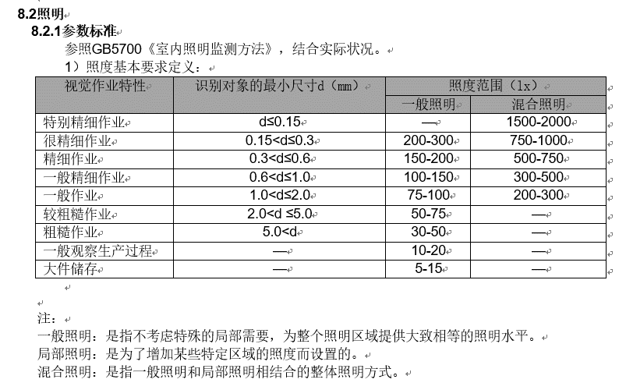
 | Do you have a lighting requirement for the assembly line? 您对流水线的照明有亮度要求吗？ | Eg. 750 Lux 例如： 750流明 |  | as shown on the right

General | What area of improvement would you like to see? 针对Intel的伺服器设计 (Socket, CPU, 散热器），有那些方面你希望进行改进？请具体说明 | Example: Improve socket cover ease of use 例如：希望对Socket防尘盖设计进行改进以更方便使用 |  | none
 | What heatsink design is used? 您使用哪種散熱器設計？ | Example: Intel reference design, own customized design (2U, EVAC, etc.) 例如：Intel 参考设计的散热器；自行设计的散热器 （2U, EVAC等） |  | Intel reference design
 | Do you have experience with RMHS (remote module heatsink) or ganged heatsinks (2 attached HS)? 您是否有使用 RMHS（远程模块散热器）或联动散热器（2 个连接的散热器）的经验？ | If yes, how do you assemble the PHM? 如果是的话，你们怎样来安装PHM? |  | installed by mechanical arm to ensure flatness
 | What TIM material is used? 你们使用哪种导热界面材料？ | Eg. PTIM, grease, thermal pad 例如：散热膏，散热脂，导热垫片等 |  | grease
 | Do you use the Intel designed socket cap removal tool? 你们是否使用Intel 设计的工具来取下Socket的保护盖板？ | Yes / no. If no, why not? 如果回答是‘否’，是否可以说明原因？ |  | yes
 | Are different products assembled on the same assembly line? 你们会使用同一条产线来生产不同的产品吗？ （例如 GNR-AP, SPR) | eg. Yes, GNR-AP and SPR 例如：会使用同一条产线来生产GNR-AP, SPR的产品 |  | Yes, GNR-AP and SPR

Manufacturing Test Process | Are ICT testers used? If yes, please provide ICT tester model If not, what other assembly test methodology do you use prior to functional test? 你们会进行ICT测试吗？如果是的话，是否可以提供ICT测试机台的品牌和型号？如果你们不进行ICT测试，那么在功能测试之前，你们会对主板进行那些测试？ | Eg. Yes - Keysight 3070 例如： 是 - Keysight 3070; 否 - 请说明具体的测试类型 （例如飞针测试） |  | yes，Teradyne Teststation LX/LH
 | How many times is assembly test done before thermal solution attach? 在组装散热器前，你们会对主板进行多少次测试？ | E.g. 2 and more if rework is required 例如：2次（ICT测试，功能测试），如果主板有维修的话则需要重新测试（共4次） |  | 4(AOI,AXI,ICT,FBT)
 | How are boards transported between all assembly and test process steps? 你们在产线的各个工站之间你们通过什么方式来运输主板？ | Eg: Carts? Are boards held vertically in racks or lay flat in a tray? 例如：通过推车，主板垂直地放在推车上 （或者水平地放在托盘中） |  | lay flat in a tray
 |  | Can the customer provide images of the method(s) used to transport boards 您是否可以提供一张或几张主板运输方式的照片？ |  | as shown on the right

Board Strain Monitoring | When do you monitor board strain through board assembly, test, and handling steps? 你们什么情况下会量测板弯系数（BFI或Strain Gauge）？ | 1. For every project 2. For every generation 3. Only when new form factors/process were introduced (component/PCB size; new PCB surface finish; new paste) 4. Others (please specify) 例如： 1. 每个项目都会做 2. 每一代产品选择一个或者几个项目做 3. 只在新产品或者新工艺导入的时候做 (比如: 零件的变动/PCB尺寸的变动; PCB表面处理的变化 新的锡膏；新的胶水等等) 4. 其它（请详述） |  | For every project |  | 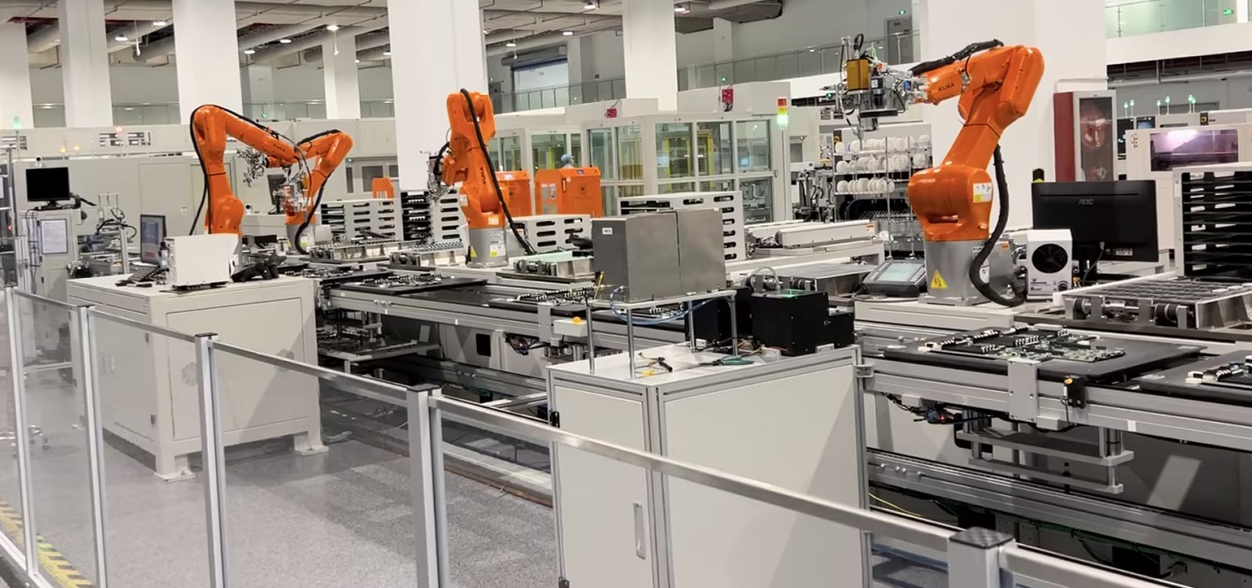
 | What board strain guidance do you use? 你们参考什么样的 Pass/Fail 标准? | 1. Intel BFI Guidance using diagonal strain at POR, ALT1, or ALT2 gage location 2. Or Other - please specify 例如： 1. 参考英特尔发布的Strain Gauge标准 2. 参考其它标准（请详述） |  | 1. Intel BFI Guidance using diagonal strain at POR, ALT1, or ALT2 gage location
 | What is the lowest BFI strain that you have been able to meet through board assembly, test, handling steps prior to thermal-solution attach? 在你们的制程中（组装散热模组之前），你们的 BFI strain 最低能做到多少？ | 1. ＜250 ue； 2. ＜350 ue；3. ＜450 ue；4. ＞450 ue |  | ＜450 ue
 | How many total process steps (assembly, test, handling) do you monitor board strain on? 你们在制程中的哪些步骤会量测BFI(Strain Gauge)? | 1. ICT test; 2. De-panel; 3. Functional test; 4. Thermal module assembly; 5. System assembly; 6. All above steps; 7. Others 1. ICT测试；2. 分板；3. 功能测试；4. 散热模组组装；5.系统组装；6. 以上步骤都会测试；7. 其它 (请详述） | 6
 | Do you collect any solder joint FA (Failure Analysis) after board assembly, test, and handling steps? 你们在制程验证阶段，会不会对经过某一制程步骤（组装，测试或者运输）之后的板子进行焊点分析， 以防该制程造成焊点裂缝？ | If yes, what type of tools are used? E.g. DnP, XS, X-Ray 如果是，会做什么类型的分析？例如： 红墨水，切片，X-ray | yes，DnP, XS, X-Ray
 |  | If yes, when? 1. For every project 2. For every generation 3. Only when new form factors/process were introduced (component/PCB size; new PCB surface finish; new paste) 4. Others (please specify) 如果是，会在什么情况下做？例如： 1. 每个项目都会做 2. 每一代产品选择一个或者几个项目做 3. 只在新产品或者新工艺导入的时候做 (比如: 零件的变动/PCB尺寸的变动; PCB表面处理的变化; 新的锡膏；新的胶水等等) 4. 其它（请详述） | For every project
 |  | If yes, what is the purpose? 1. as a pre-step for board- or system-level reliability testing (e.g. TC or shock) 2. as a board or system assembly time=0 solder joint quality control check 3. Others (please specify) 如果是，分析的目的是什么？例如： 1. 作为可靠性测试之前的初始情况分析 2. 在板子进行下一阶段制程之前进行焊点质量检查 3. 其它（请详述） | as a pre-step for board- or system-level reliability testing
 | What is the largest BGA package and socket that you can currently manufacture through board assembly, test, and handling steps? 你们厂内的制程能力能够应付的最大尺寸的BGA是多大？ | Eg: 200 mm X 400 mm | 125*125mm
 | Do you anticipate any challenges controlling board strain as packages grow larger, more rectangular, etc.? 你觉得如果BGA的尺寸变得更大，更长，对BFI （Strain Gauge)的控制会更有挑战吗 ? | 1. Yes, test fixture design and handling will have lower margin 2. No 1. 是的，测试治具和handling的安全冗余会更小 2. 没有挑战 | 1
 | Would you be willing to share BFI strain data that you have collected on an Intel product? 您是否愿意分享你们的BFI (Strain Gauge)测试报告给Intel? | E.g. Yes or no | Confidential document, unable to provide

Land Pattern & Brd Ref Design
Note: Only fill up cell in white color.
Process | Area of Interest | (Customer's comment)
 |  | Sample answer 回答示例 | Fill this section (请在这里填写您的回答）
 |  |  | Test | System Assembly (L10/11/12) | Additional comments
Socket Land Pattern | Do you use Intel’s reference board design archive or the land pattern guidance document to create your CPU socket library symbol? 你们是否使用Intel的参考设计板，或者焊盘设计指导文件，来生成你的socket的symbol文件？ | Eg. Copy reference board design for socket land pattern 例如：直接从参考设计板中拷贝并生成自己的symbol文件 | yes |  |  | 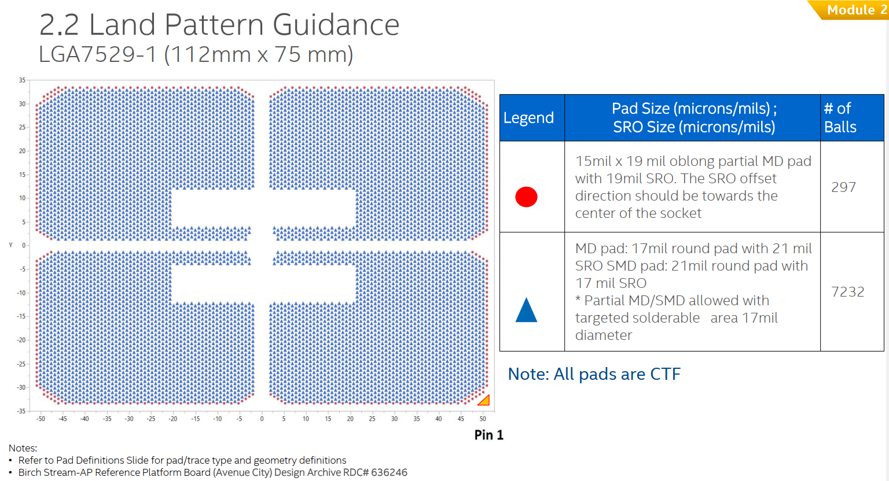 | 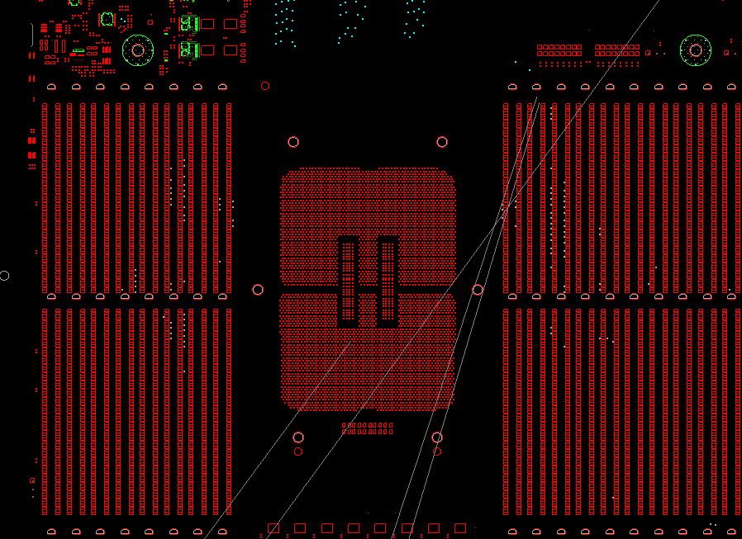 | 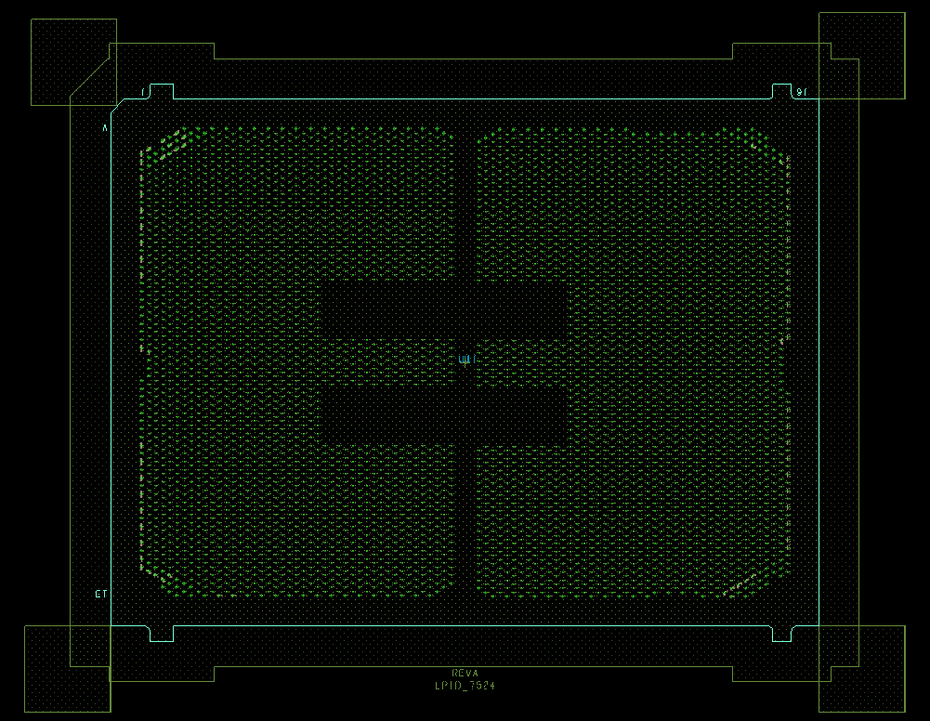
 | Do you build your socket symbol with soldermask compensation (soldermask opening larger than metal defined pads), non-compensated (soldermask the same size as metal defined pads), or a combination of both? 在你们的Socket Symbol文件里，你们是否进行了1. 阻焊层补偿（在MD/non_SMD焊盘上，阻焊层开孔尺寸大于焊盘尺寸）； 或者：2. 无阻焊层补偿（在MD/non_SMD焊盘上，阻焊层开孔尺寸等于焊盘尺寸）； 或者：3. 两者都有 | 请回答1或2或3 | 3 |  |  | 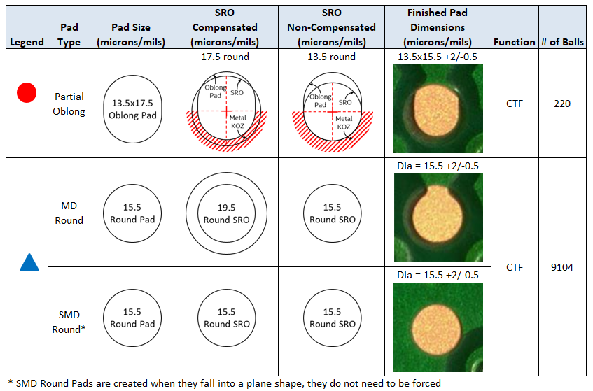
 | How does the usability of the collateral provided by Intel for the physical symbol for server sockets compare to other suppliers of similar sockets? 将Intel提供的socket symbol 文件（以及其它设计参考文件），和其它的socket供应商提供的类似设计文件相比，您觉得那个更好用？ | Please provide details about what is working and what isn’t? Eg. Board design archive provides all the necessary information 请提供具体信息，例如: xx供应商提供的yy信息比较好用，希望Intel今后也加入这样的信息 | none
 | How are motherboard mounting hole locations determined? 你们怎样来确定PCB板mounting hole（安装通孔）的位置？ | Eg. copy intel reference board design 例如：直接copy Intel参考板的通孔位置 | 通过结构模型/结构要素图确定通孔位置 |  |  | 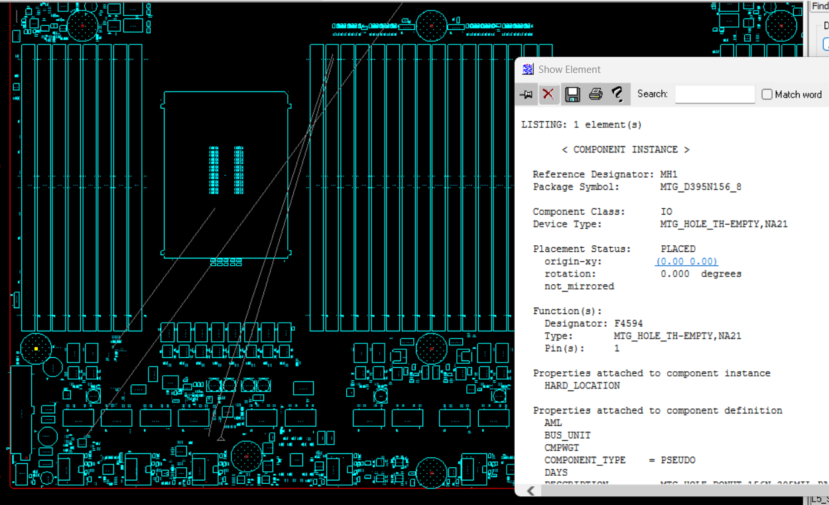

Board Reference Design | Do you follow Intel’s reference design closely under Intel components (i.e., under the socket)? 在Intel的零件（例如socket）下方的PCB设计中，你们是否会follow Intel的参考设计？ | Do you follow Intel reference design under the socket for: 1. Via Type and size 2. Routing and power shapes 3. routing configuration 4. dielectic thickness around high speed signal layers 例如, 你们是否会直接follow Intel参考板中的一下设计： 1. 钻孔的类型和尺寸 2. 布线和电源层形状 3. 布线配置 4. 高速信号层周围的绝缘层厚度 | yes |  |  | 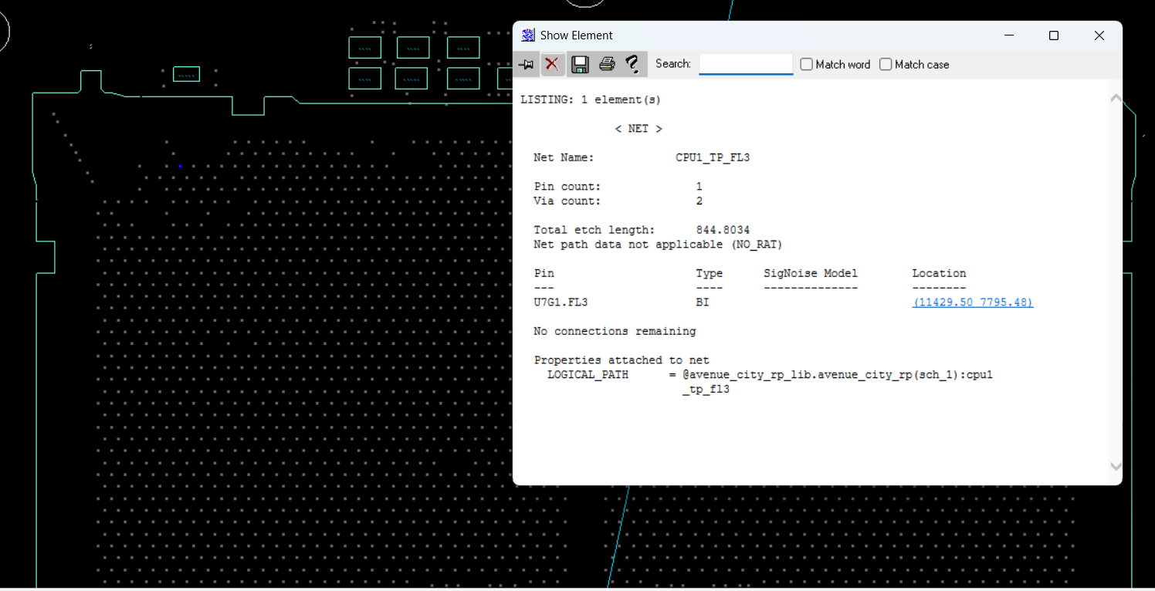
 | Do you utilize the PCB materials validated by Intel’s reference design for boards using Intel components? 你们是否会使用Intel参考设计中已经认证过的PCB材料，还是会使用其他自行认证的PCB材料？ |  | 会提前储备4款以上竞品板材，综合SI表现、成本、供应等因素评估最终板材
 | Is there additional information about manufacturing related aspects of the reference board in areas under Intel components that is needed? 你们是否需要Intel在参考设计中提供有关制造方面的额外信息？如果，请详述 | Eg. generation to generation changes in design for manufacturability rules, backdrilling, etc 例如： 两代产品之间DFM规则的变化，背面钻孔等 | hope MAS for OKS documents can be provided earlier

